Questions
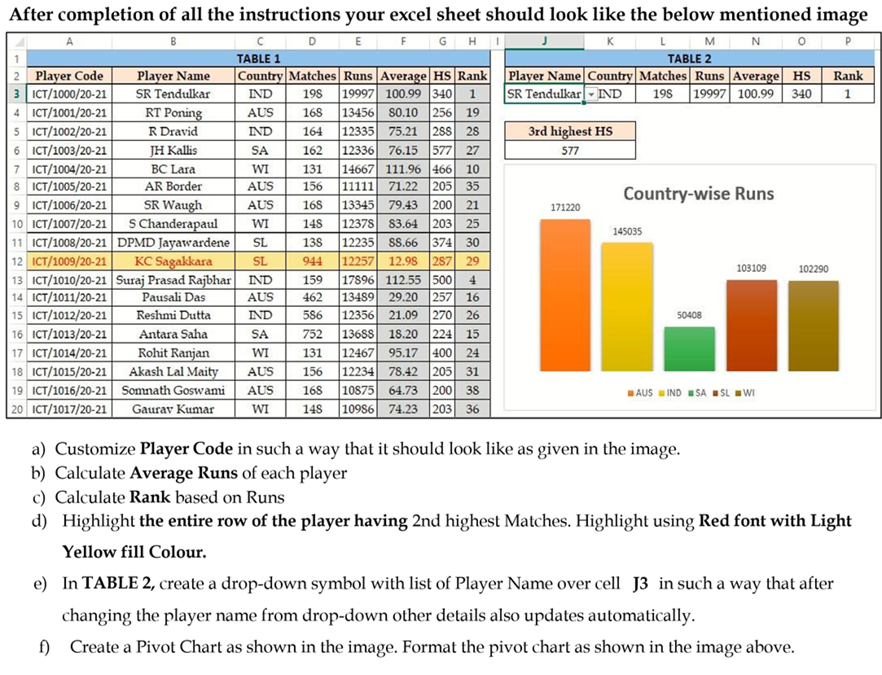
Q1 (a) | Protect cells C2 to C5 in the Answers sheet to prevent accidental edits.

Q1 (b) | Implement data validation on a column A in the Answers sheet to restrict entries to specific criteria.
 | Criteria |  | It should accept only 5 characters/integers
 |  |  | It should accept unique values
 |  |  | if user violates the specified criteria it should display this error "PLEASE ENTER UNIQUE ID"

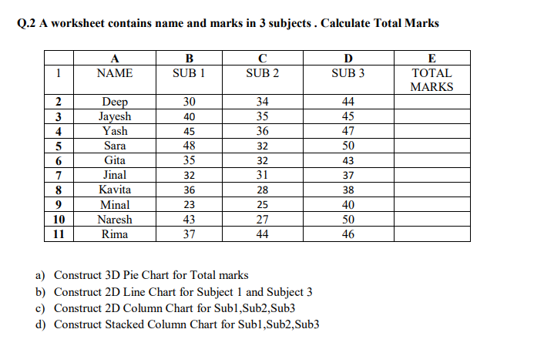

Q3 | Determine how many points are needed in the endterm to receive a total percentage of 60 by analyzing the data below.

Exam |  | Marks |  | Note : D40 is containing Average formula
CA1 |  | 29
MidTerm |  | 92
CA2 |  | 27
EndTerm
Total Percentage |  | 49.333333333

Q4 | Create a Gantt Chart based on the data given below
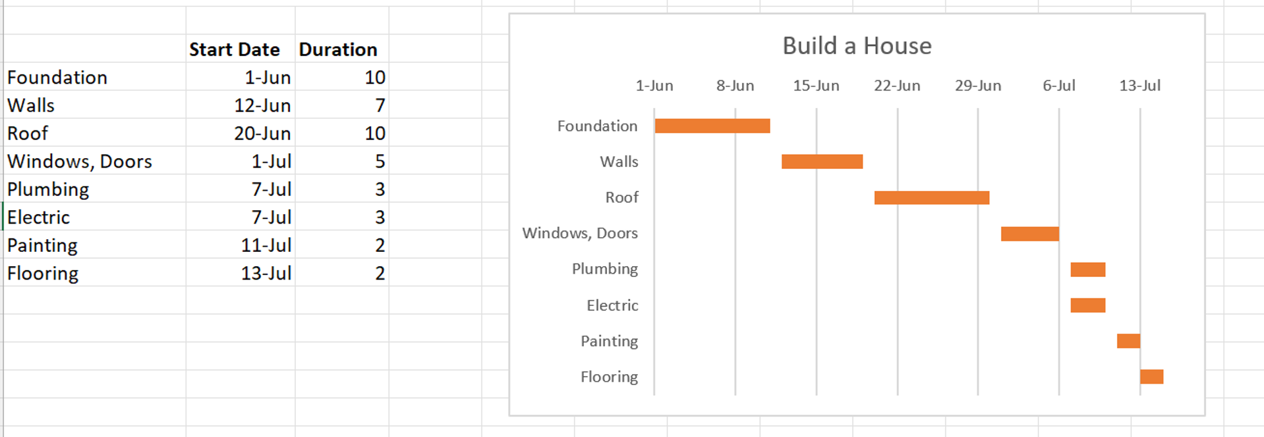

Q5 | Go to the Q5 Data Tab and answer the below given questions.

